Sheet1
NCAA T - Shirt Vendor
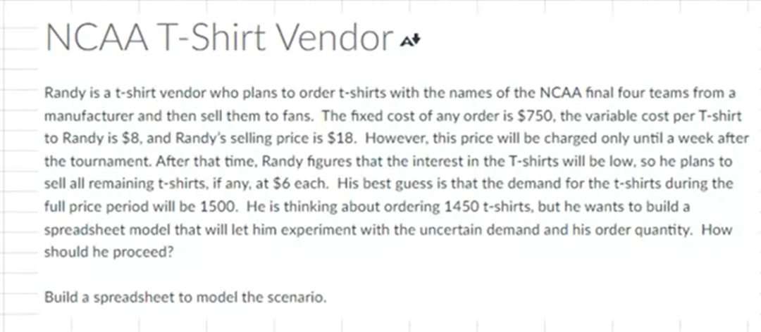
Givens:
Costs:
Fixed: | $750.00
Variable: | $8.00 | per shirt
Revenue:
Full Price: | $18.00 | per shirt
Reduced Price: | $6.00 | per shirt

Number of shirts Ordered: | 4,000
Demand | 1,500
Number of shirts sold (FP): | 1,500 | =MIN(B12:B13)
Number of shirts sold (Reduced): | 2,500 | =MAX(B12-B13,0)

Total Cost: | $32,750.00 | =B5+B12*B6
Total Revenue: | $42,000.00 | =B14*B8+B15*B9
Total Profit: | $9,250.00 | =B18-B17

